InstructionsOverview
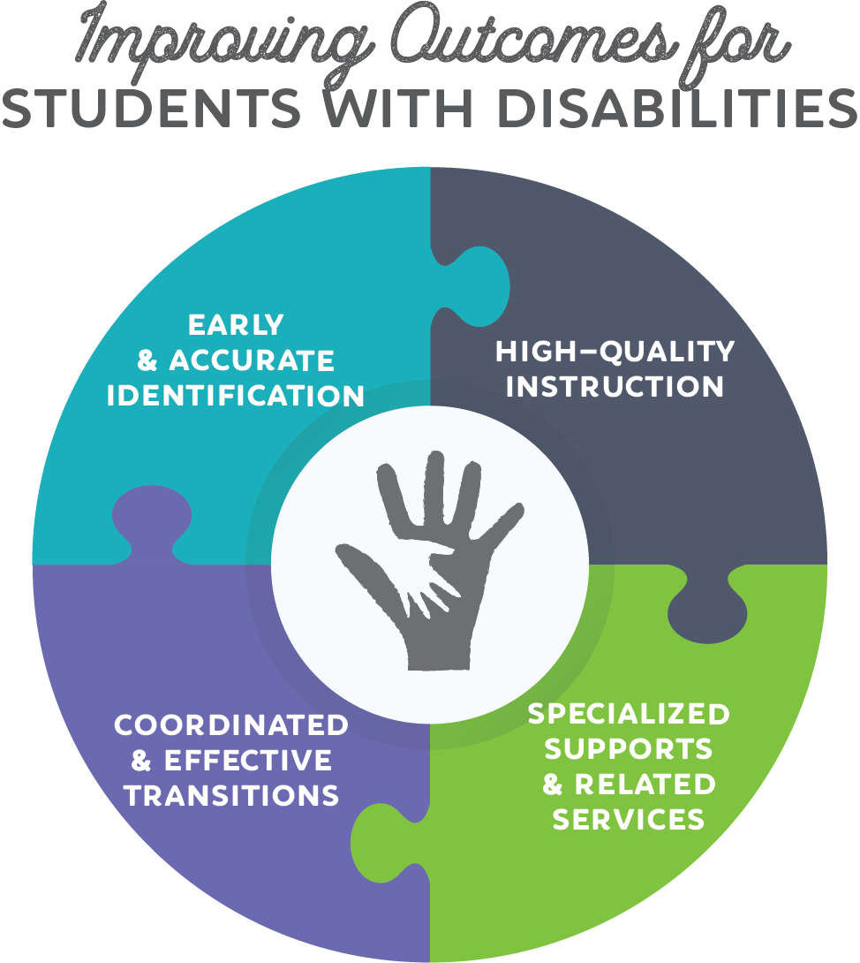 | Coordinated Early Intervening Services Planning
 | This planning template is designed to assist school systems who have been identified as have significant disproportionality (described below) and must implement Coordinated Early Intervening Services (CEIS) programs for the 2018-2019 school year. This is an optional tool that can be used to assist with CEIS planning and programming for the 2018-2019 school year. Many of the elements in this planning document must be provided in the school system's CEIS budget in eGMS. The planning document is best completed with collaboration between special education leaders, instructional leaders, behavioral specialist, federal programs or IDEA grants managers, and other system-level leaders. School systems are not required to submit a completed version of this template to LDOE.
 | Background
 | The LDOE annually collects and examines data to determine whether significant disproportionality, based on race or ethnicity, is occurring in school systems with respect to: - Identification of children as children with disabilities, including identification as children with particular impairments - Placement of children with disabilities in particular educational settings; and - Discipline of children with disabilities, including suspensions and expulsions For each school system, the LDOE compares the likelihood that students from one race or ethnicity will be subject to a certain outcome (over identification, restrictive placement, or exclusionary discipline) relative to students from all other races and ethnicities in each school system across the state. If this happens, the school system must set aside 15% of their IDEA Part B funding for coordinated early intervening services (CEIS). CEIS is for students in kindergarten through grade 12 (with a particular emphasis on students in kindergarten through grade 3) who are not currently identified as needing special education or related services, but need additional academic and behavior support to succeed in a general education environment. When done well, CEIS can reduce disproportionality over time by creating equitable outcomes for all students with disabilities and those students who simply need additional academic and behavior support to succeed.
 | Directions
 | Special Education leaders, Federal Programs or IDEA Grants Managers, and other system-level leaders should collaborate to complete this planning document. For each of the four strategies, the Department has identified the key actions of school systems that implement the strategy effectively. Begin the planning process for each strategy by considering how your school system plans to address each of these key activities in the 2018-2019 school year. Then, consider what, if any, additional priorities your school system has within the strategy. Once you've detailed your school system's key actions and priorities, consider the personnel, activities, and resources necessary to carry out your plans.
 | Additional Resources
 | The following resources can help school systems in completing this planning document:
 | CEIS webpage | The CEIS webpage on the Louisiana Believes website provides school systems with significant disproportionality results and other tools and supports to craft quality CEIS plans.
 | Strategies for Success: A Guidebook for Supporting Students with Disabilities | This Guidebook details key actions and activities for school systems who are addressing early and accurate identification.
 | Center for IDEA Fiscal Reporting - CEIS Resources Step by Step | This resource, created by a federal technical assistance center, takes school systems step-by-step through the significant disproportionality and CEIS process.

