START HERE
Micro-Enterprise Program
Self-Assessment: Work Perspective

You have already completed the Micro-Enterprise Self-Assessment. Most students give themselves a very positive Self-Assessment, but they may not realize that they’re assessing themselves using “school” standards, not “work” standards. You and your teacher (and maybe your mentor) have now reviewed with you School versus Work Expectations. You should now understand how the expectations, standards and requirements of the world of work are different than what you’re used to in high school. That’s why your task now is to complete this Self-Assessment tool again, but this time trying your best to evaluate yourself using work standards.

Once again, please go through every screen—consider each question thoughtfully—and then provide your answer as if you were working in your first job after high school or college graduation.

 | Determination, Self-Motivation, Self-Discipline and Grit

 | Problem Solving and Teamwork

 | Communication Skills and Comfort Engaging with Strangers

 | Financial and Computer Literacy

 | Personal Capabilities and Support Systems

START
 | To Begin Your Assessment, Click "Start"

STUDENT_INFO
Name*
Teacher*
Class
Mentor
Date | 2016-06-08
* required

Instructions

Navigation
 | Advance to next section

 | Go back to previous section

 | Finish your assessment

 | View Self-Assessment Report

Self-Evaluation Statements
Read the statements listed in each section (there are 8 per section). After reading each statement, decide how well each describes you. Then, use the drop-down list next to each statement (see the example below), to select the response which best describes how well the statement fits you.
Click on the "down-arrow" next to the box to open the list of options to select.
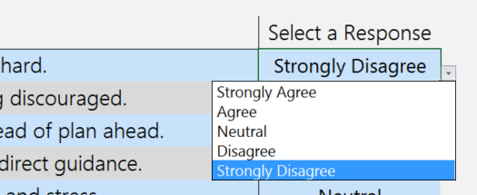

Let's Get Started!
Click the arrow button to start your self-assessment.

REPORT PREVIEW
Micro-Enterprise Program
Self-Assessment: Work Perspective

Report Preview |  |  | click here to proceed to the written response section.

Determination, Self-Motivation, Self-Discipline & Grit | 0%
Problem Solving & Teamwork | 0%
Communication Skills, Comfort Engaging with Strangers | 0%
Computer & Financial Literacy | 0%
Personal Capabilities & Support Systems | 0%
 | Weakness | Neutral |  | Strength

REPORT
Micro-Enterprise Program
Self-Assessment: Work Perspective |  |  |  | Click to go back

Self-Assessment Report for

2016-06-08

Determination, Self-Motivation, Self-Discipline & Grit | 0%
Problem Solving & Teamwork | 0%
Communication Skills, Comfort Engaging with Strangers | 0%
Computer & Financial Literacy | 0%
Personal Capabilities & Support Systems | 0%
 | Weakness | Neutral | Strength

Written Responses

Q1) How are the results of this Self-Assessment different than your previous Self-Assessment? Please provide at least two examples where the numeric values in an area have changed.
[fill here]

Q2) After this second Self-Assessment, what are the areas that you now believe you’ll need encouragement and support after high school to become a successful adult? Please provide at least two examples.
[fill here]

Q3) How are work expectations different from school expectations? Please provide at least two examples.
[fill here]

Q4) Thinking back on these two Self-Assessments, please describe your future career plans. Please provide at least two reasons why you believe these are the right career plans for you.
[fill here]

