START HERE
Micro-Enterprise Program
Self-Assessment

The Micro-Enterprise Self-Assessment is a tool you will use to examine how well you are prepared to become an effective small business employee--and maybe even a young entrepreneur who can form his/her own business.

This Self-Assessment will ask you to think about your behaviors, skills, and capabilities in five (5) areas (click on any of the terms below to view a definition):

 | Determination, Self-Motivation, Self-Discipline and Grit

 | Problem Solving and Teamwork

 | Communication Skills and Comfort Engaging with Strangers

 | Financial and Computer Literacy

 | Personal Capabilities and Support Systems

START
 | To Begin Your Assessment, Click "Start"

STUDENT_INFO
Name*
Teacher*
Class
Mentor
Date | 2017-05-30
* required

Instructions

Navigation
 | Advance to next section

 | Go back to previous section

 | Finish your assessment

 | View Self-Assessment Report

Self-Evaluation Statements
Read the statements listed in each section (there are 8 per section). After reading each statement, decide how well each describes you. Then, use the drop-down list next to each statement (see the example below), to select the response which best describes how well the statement fits you.
Click on the "down-arrow" next to the box to open the list of options to select.
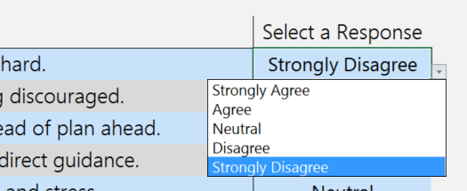

Let's Get Started!
Click the arrow button to start your self-assessment.

REPORT
Micro-Enterprise Program
Self-Assessment |  |  |  | Click to go back

Self-Assessment Report for

2017-05-30

Determination, Self-Motivation, Self-Discipline & Grit | 0%
Problem Solving & Teamwork | 0%
Communication Skills, Comfort Engaging with Strangers | 0%
Computer & Financial Literacy | 0%
Personal Capabilities & Support Systems | 0%
 | Weakness | Neutral | Strength

Written Responses

Q1) Based on this Self-Assessment, what is your area of greatest personal strength? Please provide at least two reasons why this is true.
[fill here]

Q2) What are the areas where you'll need encouragement and support after high school to become a successful adult? Please provide at least two examples.
[fill here]

Q3) Based on this Self-Assessment, what have you learned about yourself? Please provide at least two observations.
[fill here]

Q4) Do you think you might ever start your own business as an entrepreneur? Please provide at least two reasons why or why not.
[fill here]

